Sheet Weld
WELD PENETRATION ANALYSIS
Date : |  | 10th Dec 2009 | Magnification: | 10 X
Company: |  | HYMH UK | Current | 130-140 A
Department: |  | Welding Cell | Voltage | 18-20V
Inspected By |  | John Smith | Gas Flow | 16-17 litres per Minute
Weld Class |  | Class C

B

A
C

 |  | Measured | Specification | Passed or Failed
 | Leg1: A | 4.745 Milimeter | 3.0mm +2.4/-0.8 | OK
 | Leg2: B | 5.250 Milimeter | 3.0mm +2.4/-0.8 | OK
 | Penetration1: | 1.076 Milimeter | No Spec | OK
 | Penetration 2: | 0.986 Milimeter | No Spec | OK
 | Fusion | Complete | Full Fusion | OK (see DT results)
 | Convexity C | 0.765 | Max 1.5mm | OK
 | Throat | N/A | Not called out on print | OK
Remark:
 | No Cold Weld or Porosity observed in effective leg length.
 | No bleed through observed in the specimen.

hinge weld
WELD PENETRATION ANALYSIS

Date : |  | 10th Dec 2009 | Magnification: | 10 X
Company: |  | HYMH UK | Current | 150-160 A
Department: |  | Welding Cell | Voltage | 18-20V
Inspected By |  | Anant | Gas Flow | 16-17 litres per Minute
Sample ID:

 |  | Measured | Specification | Passed or Failed
 | Leg1: | 4.365 Milimeter | 3.0mm | OK
 | Leg2: | 3.072 Milimeter | 3.0mm | OK
 | Penetration1: | 0.457 Milimeter | 15% | OK
 | Penetration 2: | 0.604 Milimeter | 15% | OK
 | Throat: | 3.015 Milimeter | 2.121 | OK
 | Material 1: | 2.0mm
 | Material 2: | 16.0mm
 | Convexity | 0.978 Milimeter | Max 1.5mm | OK
 |  |  | Percentage1 : | 22.85
 |  |  | Percentage2 : | 30.2
Remark:
 | No Cold Weld or Porosity observed in effective leg length.
 | No bleed through observed in the specimen.

Spot Weld
Details of Spot Weld Test conducted on 10th Dec 2009

Parameters
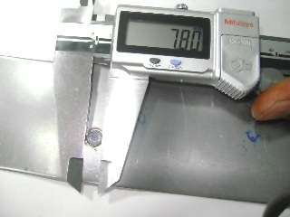
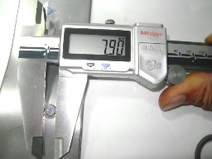
Current | 11 KA
Squeeze Cycle | 28
Weld Cycle | 20
Hold Cycle | 8
Off Cycle | 1
Pressure | 4.5 - 5.0 bar

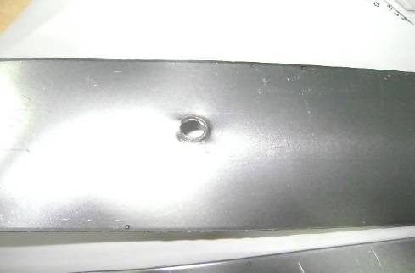
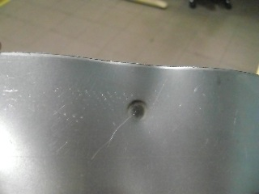
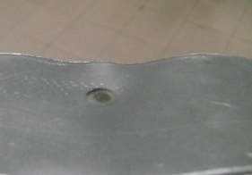
Results |  | Nugget Dia | Nugget Dia in second orientation
Nugget Dia | 7.8mm
Sheet Thickness before welding | 4.04mm (Combined)
Sheet Thickness after welding | 3.75 (combined)
Thinning | 7.5% on combined & 15% on Single sheet

 |  | Test Sample | Back side of nugget showing Thinning impression

WQR
Welding process
Manual
Semi-automatic
Machine
WELDER AND WELDING OPERATOR QUALIFICATION RECORD
Welder/Welding Operator’s Name: Identification No.:
Position: (Flat, horizontal, overhead or vertical – if vertical, state whether upward or downward) In Accordance with Procedure Specification No.:
Material specification:
If Pipe - Diameter and Wall Thickness: Qualifies for thickness range below: Otherwise - Joint Thickness:
 |  |  |  |  | FILLER METAL
Specification No: Classification: F-No:
Describe filler metal: (if not covered by AWS specification)
Is backing used? Yes No
Filler metal diameter and trade name:
FLUX for Submerged Arc or Flux Cored Arc Welding / GAS for Gas Metal Arc:
 |  |  | VISUAL INSPECTION (9.21.1)
Appearance: Undercut: Piping porosity:
Guided Bent Test Results
Type
Result
Type
Result
Test Conducted by: Laboratory Test No.:
Per: Test Date:
 |  |  |  | FILLET TEST RESULTS
Appearance: Fillet size:
Fracture Test Root Penetration: Macrotech: (Describe the location, nature, and size of any crack or tearing of the specimen)
Test Conducted by: Laboratory Test No.:
Per: Test date:

RADIOGRAPHIC TEST RESULTS
Film Identification | Results | Remarks |  |  |  | Film Identification | Results | Remarks

Test witnessed by: Test No:
Per:

Authorized by: Date:

