PA Example
PART APPROVAL FORM (DCN-2518)

HYMH
DATE OF ISSUE: |  |  | 2002-04-22 |  |  |  |  | HYMH CONTACT: |  |  |  | Chad Tindall

SUPPLIER NAME: |  |  | Manufacturing, INC. |  |  |  |  | HYMH CONTACT EMAIL: |  |  |  | Chad Tindall

SUPPLIER CONTACT: |  |  | John Smith |  |  |  |  | HYMH USER LOCATION: |  |  |  | Berea, Kentucky

SUPPLIER CONTACT EMAIL: |  |  | John Smith |  |  |  | SUPPLIER SUBMISSION DUE DATE: |  |  |  |  | 2002-05-21

SUPPLIER CODE: |  |  | 100057 |  |  |  | PCR REFERENCE # (IF APPLICABLE): |  |  |  |  | N/A

PART NAME: |  |  |  | PART NUMBER: |  |  |  |  |  |  | REVISION: | PURCHASE ORDER #:
WIRE-HARNESS-LIGHTS |  |  |  | 8500693 |  |  |  |  |  |  | 4 | PO 12345-6
 | REASON FOR SUBMISSION: |  |  |  |  |  | IF APPLICABLE, CHECK ONE FOR A PROCESS CHANGE
 | X | NEW PROJECT PART |  |  |  |  | REQUEST (PCR) ACTIVITY - REFER TO PCR PROCEDURE
 |  | NEW SUPPLIER |  |  |  |  |  | SAMPLE SUBMISSION - INITIAL SAMPLE TRIAL
 |  | SUPPORTING INFO FOR PCR |  |  |  |  |  | SAMPLE SUBMISSION - PILOT SAMPLE TRIAL
 |  | RUNNING CHANGE ECN |  |  |  |  |  | SAMPLE SUBMISSION - MASS PRODUCTION TRIAL
HYMH AND SUPPLIER
SUBMISSION LEVEL REQUIRED
 |  |  |  | LEVEL 1 | LEVEL 2 | LEVEL 3 |  | LEVEL 4 | MEETS
CATEGORY |  |  |  |  |  | X |  |  | YES | NO | COMMENTS
PART APPROVAL FORM |  |  |  | SUBMIT | SUBMIT | SUBMIT |  | SUBMIT | X |  | Off Prod. Tool |  | Yes | No | Off-Prod. Proc. | Yes | No
NUMBERED DRAWING |  |  |  | SUBMIT | SUBMIT | SUBMIT |  | SUBMIT | X
DIMENSIONAL RESULTS |  |  |  | SUBMIT | SUBMIT | SUBMIT |  | SUBMIT | X |  | # of Dim. OK | 15 | # of Dim. On drawing |  |  | 15
PART PASSING RATIO
PART APPROVAL SAMPLES (TAGGED) |  |  |  | SUBMIT | SUBMIT | SUBMIT |  | SUBMIT | X
APPEARANCE |  |  |  | SUBMIT | SUBMIT | SUBMIT |  | SUBMIT | X
MATERIAL PERFORMANCE RESULTS |  |  |  |  | SUBMIT | SUBMIT |  | SUBMIT | X
CLEANLINESS RESULTS |  |  |  |  | SUBMIT | SUBMIT |  | SUBMIT | X
CERTIFICATION REGISTRATION APPROVAL |  |  |  |  | SUBMIT | SUBMIT |  | SUBMIT | X
PART FUNCTIONAL TEST RESULTS |  |  |  |  | SUBMIT | SUBMIT |  | SUBMIT | X
CONTROL PLAN |  |  |  |  |  | SUBMIT |  | SUBMIT | X
PROCESS FMEA |  |  |  |  |  | SUBMIT |  | SUBMIT | X
PROCESS FLOW DIAGRAM |  |  |  |  |  | SUBMIT |  | SUBMIT | X
CHECKING FIXTURES |  |  |  |  |  | SUBMIT |  | SUBMIT | X
GAGE R & R STUDY |  |  |  |  |  |  |  | SUBMIT
LIMIT SAMPLES |  |  |  |  |  |  |  | SUBMIT
SHORT TERM CAPABILITY STUDY |  |  |  |  |  |  |  | SUBMIT
SUPPLIER

 | SEE ATTACHMENTS FOR ANY APPLICABLE CORRECTIVE ACTION REQUIRED DUE TO ANY NONCONFORMING RESULTS.
 | THE DESIGN OR TYPE OF PROCESS TO PRODUCE THIS PART CHANGED SINCE THE PREVIOUS SAMPLE SUBMISSION. SEE ATTACHED.

NAME: |  | JOHN SMITH |  |  | TITLE: | QA MANAGER |  |  | PHONE: |  | (123) 456-7890 |  |  |  | FAX: | (123) 456-0987

SUPPLIER AUTHORIZED SIGNATURE: |  |  |  |  | John Smith |  |  |  |  |  |  |  |  |  | DATE | 2002-05-20
 |  |  |  |  | (MINIMUM MANAGER LEVEL SIGNATURE)
HYMH
PART APPROVAL DISPOSITION |  |  |  |  |  |  |  |  |  |  |  | SQE / QA SIGNATURE |  |  |  | DATE
 | REJECTED |  | REASON FOR REJECTION
 | CONDITIONAL APPROVAL FOR PRODUCTION |  |  |  |  |  |  | EXPIRATION DATE
X | APPROVED FOR PRODUCTION |  |  |  |  |  |  |  |  |  |  | Chad Tindall |  |  |  | 2002-05-29

PART APPROVAL #: |  |  |  |  |  |  |  |  |  |  | CONDITIONAL APPROVAL - DESIGN
(SAME AS PCR # IF PCR RELATED) |  |  |  |  |  |  |  |  |  |  | SIGN &
 |  |  |  |  |  |  |  |  |  |  | DATE
SUPPLIER CONTACT INFORMATION (RETURN TO) |  |  |  |  |  |  |  |  | HVPT REQUIRED |  |  | X | YES |  |  | NO
COMPANY: |  | Manufacturing Inc. |  |  |  |  |  |  | X | SELF MANAGED HVPT (SEE ATTACHED BLANK REPORT)
ADDRESS: |  | 210 S. Orange Ave. |  |  |  |  |  |  |  | RETURN BEFORE PRODUCTION SHIPMENT
CITY/ST/ZIP: |  | Orlando, FL 32802 |  |  |  |  |  |  |  | HYMH WILL ATTEND HVPT. MUST BE CONDUCTED
ATTN: |  | John Smith |  |  |  |  |  |  |  | AT LEAST 30 DAYS PRIOR TO PRODUCTION

CTQ
 |  |  |  |  | LAST DOCUMENT UPDATE

CRITICAL TO QUALITY PART DESCRIPTION

COMMODITY TYPE

HYMH P/N |  |  |  | REV | DESCRIPTION

SUPPLIER P/N

NO. | INSPECTION ITEM | STANDARD / SPECIFICATION | INSPECTION METHOD |  |  | Control Plan | CAPABILITY STUDY | B Build (Off Tool) | Pilot (Off Process)
 |  |  |  |  |  | item to be included in the Control Plan | item to be confirmed by a capability study | Supplier confirmation at this stage | Supplier confirmation at this stage
FUNCTION FORM AND FINISH CONFIRMATION

FITTING CONFIRMATION

WHAT IS MISSING FROM DWG., PSD, Etc...? (FUNCTION, FITTING, PERFORMANCE / DURABILITY) |  |  |  |  |  | CORRECTIVE ACTION REQUIRED |  |  | PDL/VIP#

SPEC
A/M
MGR
COORD.

Trial Sample Tag
SAMPLE
Attention: _______________________
____________________
ROUTE SHIPMENT TO QUALITY ASSURANCE FOR APPROVAL.
PURPOSE FOR SAMPLES (Check All That Apply)
:
Part / Process Approval Samples
Process Change, PCR #____________
Material Verif
ication (NMHG HC
-
__________)
Dimensional Verification
New Supplier
Design Change, ECN #_____________
Other
___________________
SCAR / PQC#____________________
NMHG Part #
__________________
Rev. _____
Part D
escription ______________
_______________________________
Serial / Batch # _________
_
__________
Quantity __________
Sample Data Included with Parts:
Yes____
No____
If no, who was data sent to at NMHG? ________________________________________
Supplier _
_____________________
__________________
________________________
Date _______
_________
________
Signature _____
_
_________________
______
Note: Parts are subject to reject if
layout data is not provided!
X
X
WHEN SUBMITTING SAMPLES USE THE TRIAL SAMPLE TAG
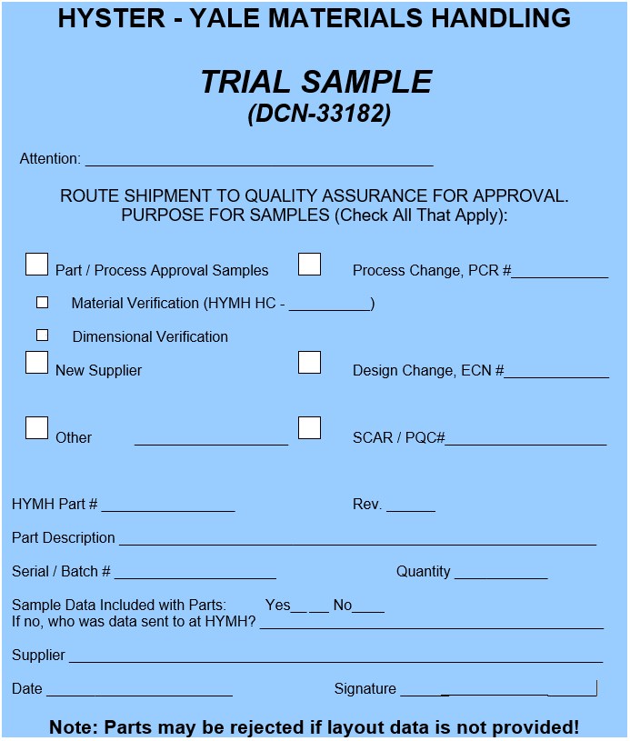
-Dimensional layout
Trial Sample
-Drawing
-Other PA
Requirements
DATA

MFG PROCESS
(Make part)
Supplier XYZ
HYMH Quality
Representative
Prototype
Off-Tool
Quality Representative
Sample
Off-Process
Repeat steps for every
Tag
shipment including 1st
production.

 | When your company utilizes this printed format, please ensure you print the tag in COLOR and attach to the exterior
 | of the container. See HYMH SQM for further details

